5.2.1. Integer Programming
Approach 2.1 : Integer Programming

• Simply set the Objective & Constraints as the following:

Objective : |  | Constraint :
minimize ∑Kₜxₜ + hₜ(Iₜ+Qₜ-Dₜ)+cₜQₜ |  | Iₜ₊₁ = Iₜ + Qₜ - Dₜ ; t = 1,2,…,T

 |  | Qₜ <= Mxₜ

 |  | Iᴛ₊₁ = 0

 |  | Qₜ, Iₜ >= 0

 |  | xₜ ∈ {0,1}

Step 1) |  | 1 | 2 | 3 | 4 | 5 | 6
Input the demand for each period | Demand (D) | 10 | 62 | 13 | 130 | 154 | 129

 | Ordering Cost (k) per order | 54 | 54 | 54 | 54 | 54 | 54
 | Holding Cost (h) per period | 0.4 | 0.4 | 0.4 | 0.4 | 0.4 | 0.4
 | Unit cost (c) | 1 | 1 | 1 | 1 | 1 | 1

Step 2) |  | 1 | 2 | 3 | 4 | 5 | 6 | Total
Solve! | Initial Inventory | 0 | 75 | 13 | 0 | 0 | 129
 | Q | 85 | 0 | 0 | 130 | 283 | 0 | 498
Order the large quantity at once | D | 10 | 62 | 13 | 130 | 154 | 129 | 498
 | End Inventory | 75 | 13 | 0 | 0 | 129 | 0 | 217
 | x | 1 | 0 | 0 | 1 | 1 | 0 |  | Max : | 500 | 0 | 0 | 500 | 500 | 0

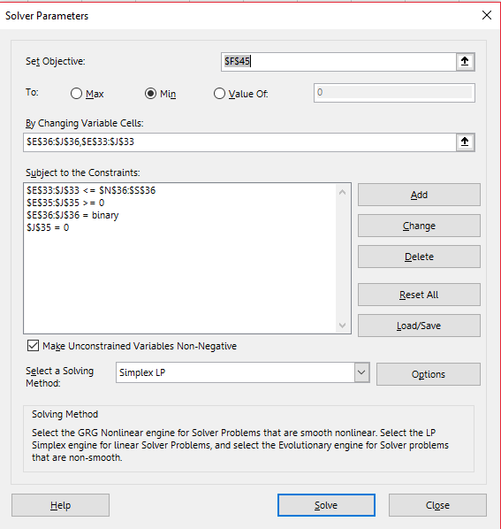
 | M | 500

 |  | No. of order | 3
 |  | Ordering cost | 162
 |  | Holding cost | 86.8

 |  | Average Inventory cost | 248.8
 |  | Average Total cost | 746.8

